exp1
Graph of f against Vrms/Vrms,max
f | Vrms | Vrms/Vrms,max
1.0 | 2.200 | 0.1642
1.5 | 3.400 | 0.2537
2.0 | 4.800 | 0.3582
2.5 | 6.400 | 0.4776
3.0 | 8.400 | 0.6269
3.5 | 11.000 | 0.8209
4.0 | 13.000 | 0.9701
4.5 | 13.400 | 1.0000
5.0 | 12.200 | 0.9104
5.5 | 10.400 | 0.7761
6.0 | 9.000 | 0.6716 |  | ·
6.5 | 7.600 | 0.5672
7.0 | 6.600 | 0.4925
7.5 | 5.800 | 0.4328
8.0 | 5.200 | 0.3881
8.5 | 4.800 | 0.3582
9.0 | 4.200 | 0.3134
9.5 | 4.000 | 0.2985
10.0 | 3.800 | 0.2836

 |  | 0.1542
 |  | 0.2437
 |  | 0.3482
 |  | 0.4676
 |  | 0.6169
 |  | 0.8109
 |  | 0.9601
 |  | 0.9900
 |  | 0.9004
 |  | 0.7661
 |  | 0.6616
 |  | 0.5572
 |  | 0.4825
 |  | 0.4228
 |  | 0.3781
 |  | 0.3482
 |  | 0.3034
 |  | 0.2885
 |  | 0.2736 | 1 | 0.1642
 |  |  | 1.5 | 0.2537
 |  |  | 2 | 0.3582
 |  |  | 2.5 | 0.4776
 |  |  | 3 | 0.6269
 |  |  | 3.5 | 0.8209
 |  |  | 4 | 0.9701
 |  |  | 4.5 | 1.0000
 |  |  | 5 | 0.9104
 |  |  | 5.5 | 0.7761
 |  |  | 6 | 0.6716
 |  |  | 6.5 | 0.5672
 |  |  | 7 | 0.4925
 |  |  | 7.5 | 0.4328
 |  |  | 8 | 0.3881
 |  |  | 8.5 | 0.3582
 |  |  | 9 | 0.3134
 |  |  | 9.5 | 0.2985
 |  |  | 10 | 0.2836

exp2
Graph of f against Vrms/Vrms,max
R=12 |  |  | R=8
f | Vrms | Vrms/Vrms,max | f | Vrms | Vrms/Vrms,max
1 | 2.6 | 0.1940 | 1 | 1.8 | 2.0000
1.5 | 4.000 | 0.2985 | 1.5 | 2.800 | 0.2090
2.0 | 5.400 | 0.4030 | 2.0 | 4.000 | 0.2985
2.5 | 7.200 | 0.5373 | 2.5 | 5.200 | 0.3881
Graph of f against Vrms/Vrms,max
 | R = 8 k Ω | R = 12 k Ω | R = 12 k Ω
1.5 | 0.1990 | 0.2537 | 0.2885
2.0 | 0.2885 | 0.3582 | 0.3930
2.5 | 0.3781 | 0.4776 | 0.5273
3.0 | 0.5422 | 0.6269 | 0.6915
3.5 | 0.7512 | 0.8209 | 0.8557
4.0 | 0.9452 | 0.9701 | 0.9751
4.5 | 0.9900 | 1.0000 | 0.9900
5.0 | 0.8407 | 0.9104 | 0.9303
5.5 | 0.6915 | 0.7761 | 0.8258
6.0 | 0.5721 | 0.6716 | 0.7213
6.5 | 0.4825 | 0.5672 | 0.6318
7.0 | 0.3930 | 0.4925 | 0.5572
7.5 | 0.3631 | 0.4328 | 0.4975
8.0 | 0.3184 | 0.3881 | 0.4527
8.5 | 0.3034 | 0.3582 | 0.3930
9.0 | 0.2885 | 0.3134 | 0.3631
9.5 | 0.2437 | 0.2985 | 0.3333
10.0 | 0.2139 | 0.2836 | 0.3034
3.0 | 9.400 | 0.7015 | 3.0 | 7.400 | 0.5522
3.5 | 11.600 | 0.8657 | 3.5 | 10.200 | 0.7612
4.0 | 13.200 | 0.9851 | 4.0 | 12.800 | 0.9552
4.5 | 13.400 | 1.0000 | 4.5 | 13.400 | 1.0000
5.0 | 12.600 | 0.9403 | 5.0 | 11.400 | 0.8507
5.5 | 11.200 | 0.8358 | 5.5 | 9.400 | 0.7015
6.0 | 9.800 | 0.7313 | 6.0 | 7.800 | 0.5821
6.5 | 8.600 | 0.6418 | 6.5 | 6.600 | 0.4925
7.0 | 7.600 | 0.5672 | 7.0 | 5.400 | 0.4030
7.5 | 6.800 | 0.5075 | 7.5 | 5.000 | 0.3731
8.0 | 6.200 | 0.4627 | 8.0 | 4.400 | 0.3284
8.5 | 5.400 | 0.4030 | 8.5 | 4.200 | 0.3134
9.0 | 5.000 | 0.3731 | 9.0 | 4.000 | 0.2985
9.5 | 4.600 | 0.3433 | 9.5 | 3.400 | 0.2537
10.0 | 4.200 | 0.3134 | 10.0 | 3.000 | 0.2239

Graph of f against Vrms/Vrms,max
 | 8k Ω | 10k Ω | 12k Ω
1.5 | 0.2090 | 0.2537 | 0.2985
2.0 | 0.2985 | 0.3582 | 0.4030
2.5 | 0.3881 | 0.4776 | 0.5373
3.0 | 0.5522 | 0.6269 | 0.7015
3.5 | 0.7612 | 0.8209 | 0.8657
4.0 | 0.9552 | 0.9701 | 0.9851
4.5 | 1.0000 | 1.0000 | 1.0000
5.0 | 0.8507 | 0.9104 | 0.9403
5.5 | 0.7015 | 0.7761 | 0.8358
6.0 | 0.5821 | 0.6716 | 0.7313
6.5 | 0.4925 | 0.5672 | 0.6418
7.0 | 0.4030 | 0.4925 | 0.5672
7.5 | 0.3731 | 0.4328 | 0.5075
8.0 | 0.3284 | 0.3881 | 0.4627
8.5 | 0.3134 | 0.3582 | 0.4030
9.0 | 0.2985 | 0.3134 | 0.3731
9.5 | 0.2537 | 0.2985 | 0.3433
10.0 | 0.2239 | 0.2836 | 0.3134
 |  | 0.2885 |  |  | 0.1990
 |  | 0.3930 |  |  | 0.2885
 |  | 0.5273 |  |  | 0.3781
 |  | 0.6915 |  |  | 0.5422
 |  | 0.8557 |  |  | 0.7512
 |  | 0.9751 |  |  | 0.9452
 |  | 0.9900 |  |  | 0.9900
 |  | 0.9303 |  |  | 0.8407
Graph of f against Vrms/Vrms,max
 |  | 0.8258 |  |  | 0.6915
 |  | 0.7213 |  |  | 0.5721
 |  | 0.6318 |  |  | 0.4825
 |  | 0.5572 |  |  | 0.3930
 |  | 0.4975 |  |  | 0.3631
 |  | 0.4527 |  |  | 0.3184
 |  | 0.3930 |  |  | 0.3034
 |  | 0.3631 |  |  | 0.2885
 |  | 0.3333 |  |  | 0.2437
 |  | 0.3034 |  |  | 0.2139

$$Ω$$
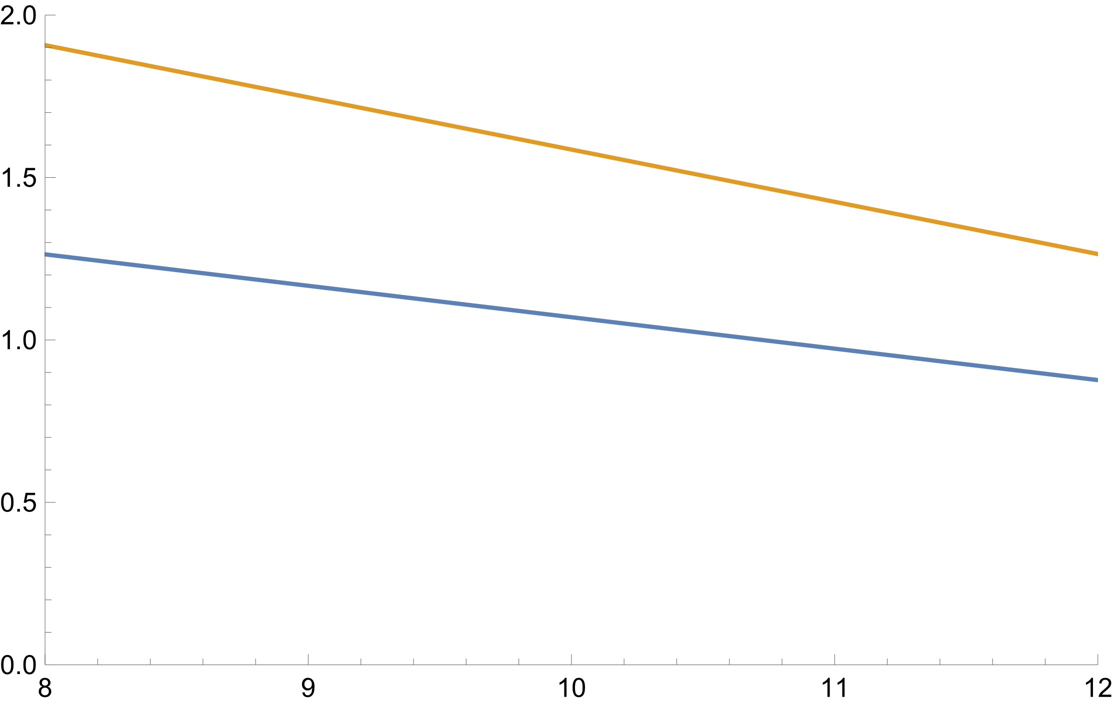
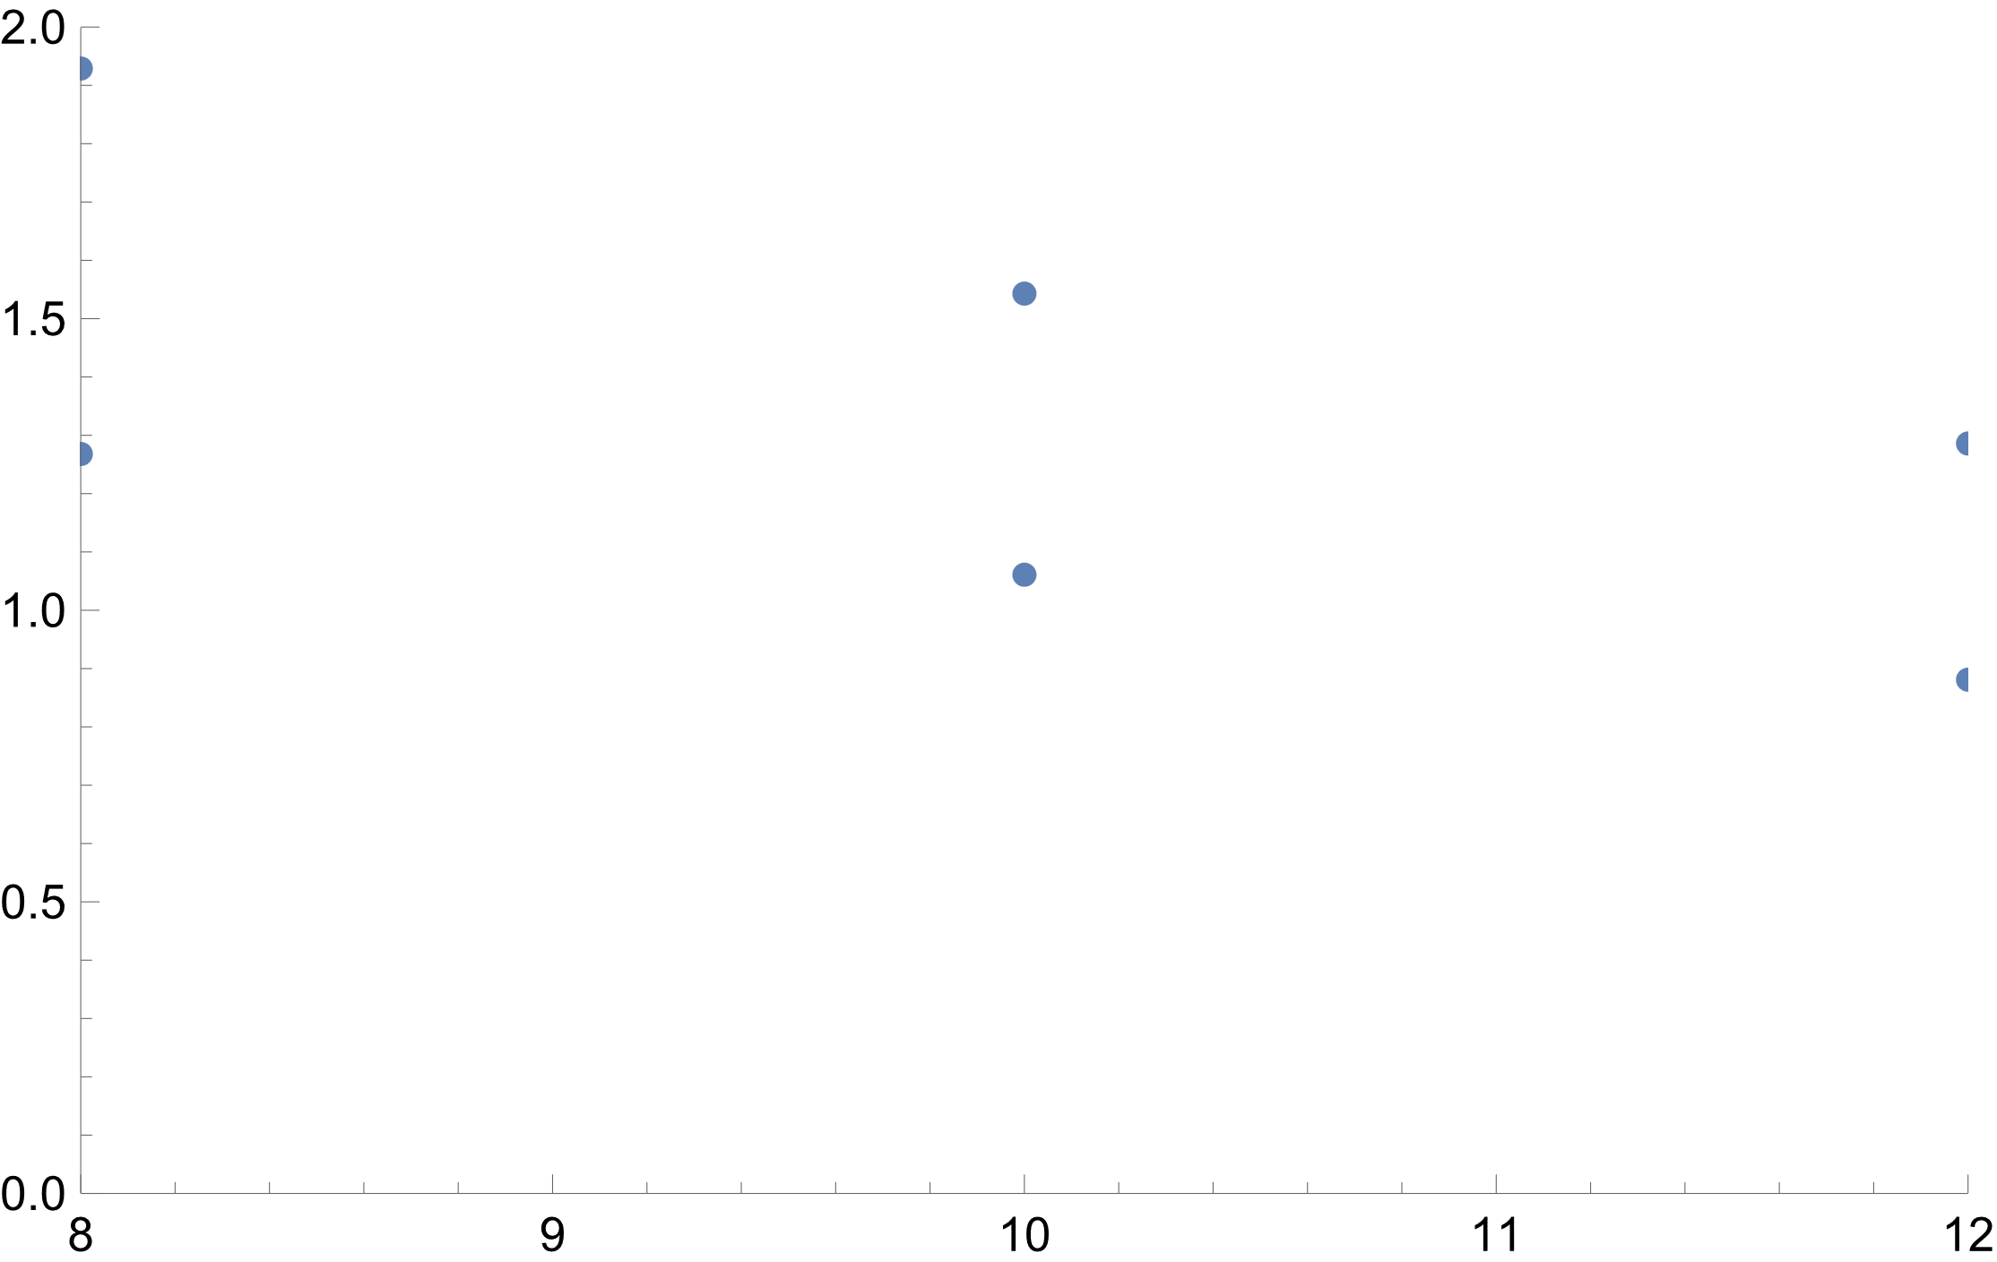
Resistance, R (k | Experimental Q | Theoretical Q
)
8 | 1.268 | 1.929
10 | 1.061 | 1.543
12 | 0.881 | 1.286
 | a=2.0375, b=-0.09675 | a=3.1935,b=-0.16075

1 | 0.1940 |  | 1 | 0.1343 |  | D
1.5 | 0.2985 |  | 1.5 | 0.2090 |  | f | Vrms | Vrms/Vrms,max | f | Vrms/Vrms,max
2.0 | 0.4030 |  | 2.0 | 0.2985 |  | 1 | 0.96 | 2.0000 | 1.0 | 2.0000
2.5 | 0.5373 |  | 2.5 | 0.3881 |  | 1.5 | 0.920 | 1.9167 | 1.5 | 1.9167
3.0 | 0.7015 |  | 3.0 | 0.5522 |  | 2.0 | 0.800 | 1.6667 | 2.0 | 1.6667
3.5 | 0.8657 |  | 3.5 | 0.7612 |  | 2.5 | 0.720 | 1.5000 | 2.5 | 1.5000
4.0 | 0.9851 |  | 4.0 | 0.9552 |  | 3.0 | 0.600 | 1.2500 | 3.0 | 1.2500
4.5 | 1.0000 |  | 4.5 | 1.0000 |  | 3.5 | 0.640 | 1.3333 | 3.5 | 1.3333
5.0 | 0.9403 |  | 5.0 | 0.8507 |  | 4.0 | 0.560 | 1.1667 | 4.0 | 1.1667
5.5 | 0.8358 |  | 5.5 | 0.7015 |  | 4.5 | 0.480 | 1.0000 | 4.5 | 1.0000
6.0 | 0.7313 |  | 6.0 | 0.5821 |  | 5.0 | 0.480 | 1.0000 | 5.0 | 1.0000
6.5 | 0.6418 |  | 6.5 | 0.4925 |  | 5.5 | 0.560 | 1.1667 | 5.5 | 1.1667
7.0 | 0.5672 |  | 7.0 | 0.4030 |  | 6.0 | 0.800 | 1.6667 | 6.0 | 1.6667
7.5 | 0.5075 |  | 7.5 | 0.3731 |  | 6.5 | 0.840 | 1.7500 | 6.5 | 1.7500
8.0 | 0.4627 |  | 8.0 | 0.3284 |  | 7.0 | 0.880 | 1.8333 | 7.0 | 1.8333
8.5 | 0.4030 |  | 8.5 | 0.3134 |  | 7.5 | 0.960 | 2.0000 | 7.5 | 2.0000
9.0 | 0.3731 |  | 9.0 | 0.2985 |  | 8.0 | 1.120 | 2.3333 | 8.0 | 2.3333
9.5 | 0.3433 |  | 9.5 | 0.2537 |  | 8.5 | 1.200 | 2.5000 | 8.5 | 2.5000
10.0 | 0.3134 |  | 10.0 | 0.2239 |  | 9.0 | 1.260 | 2.6250 | 9.0 | 2.6250
 |  |  |  |  |  | 9.5 | 1.280 | 2.6667 | 9.5 | 2.6667
 |  |  |  |  |  | 10.0 | 1.440 | 3.0000 | 10.0 | 3.0000

exp4
Graph of f against Vrms/Vrms,max
f | Vrms | Vrms/Vrms,max
1.5 | 0.467 | 0.8929
2.0 | 0.375 | 0.7170
2.5 | 0.250 | 0.4780
3.0 | 0.110 | 0.2103
3.5 | 0.038 | 0.0727
4.0 | 0.035 | 0.0669
4.5 | 0.085 | 0.1625
5.0 | 0.121 | 0.2314
5.5 | 0.175 | 0.3346
6.0 | 0.227 | 0.4340
6.5 | 0.289 | 0.5526
7.0 | 0.328 | 0.6272
7.5 | 0.368 | 0.7036
8.0 | 0.402 | 0.7686
8.5 | 0.444 | 0.8489
9.0 | 0.468 | 0.8948
9.5 | 0.493 | 0.9426
10.0 | 0.523 | 1.0000

